Daily Power Station Chart_15-01
Plant_17/03/2025Chart

Plant:odco1 |  |  | Installed Capacity:111.180kWp
Today Yield(kWh):703.600kWh |  | Today Earning:281440.000TND |  | Today Full Load Hours(h):6.33h

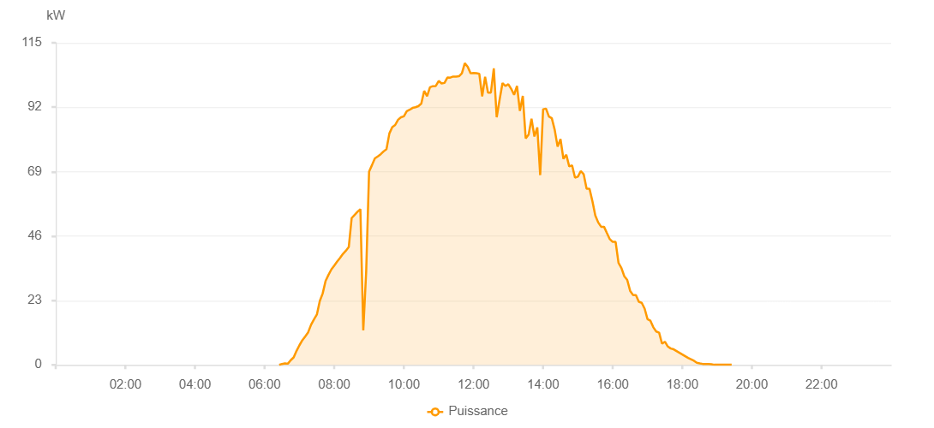

Number | Time | Working State | PV(W) | Instantaneous Radiation(W/㎡)
1 | 06:25:00 | Online | 20.00000 | 0
2 | 06:30:00 | Online | 270.00000 | 0
3 | 06:35:00 | Online | 450.00000 | 0
4 | 06:40:00 | Online | 970.00000 | 3.00000
5 | 06:45:00 | Online | 1690.00000 | 9.00000
6 | 06:50:00 | Online | 2800.00000 | 20.00000
7 | 06:55:00 | Online | 3630.00000 | 35.00000
8 | 07:00:00 | Online | 4850.00000 | 53.00000
9 | 07:05:00 | Online | 7800.00000 | 78.00000
10 | 07:10:00 | Online | 8050.00000 | 101.00000
11 | 07:15:00 | Online | 10620.00000 | 125.00000
12 | 07:20:00 | Online | 11940.00000 | 152.00000
13 | 07:25:00 | Online | 13440.00000 | 177.00000
14 | 07:30:00 | Online | 19340.00000 | 204.00000
15 | 07:35:00 | Online | 20940.00000 | 233.00000
16 | 07:40:00 | Online | 25430.00000 | 256.00000
17 | 07:45:00 | Online | 26930.00000 | 279.00000
18 | 07:50:00 | Online | 31550.00000 | 306.00000
19 | 07:55:00 | Online | 33530.00000 | 334.00000
20 | 08:00:00 | Online | 36480.00000 | 360.00000
21 | 08:05:00 | Online | 37760.00000 | 386.00000
22 | 08:10:00 | Online | 38890.00000 | 411.00000
23 | 08:15:00 | Online | 42720.00000 | 436.00000
24 | 08:20:00 | Online | 44080.00000 | 457.00000
25 | 08:25:00 | Online | 45260.00000 | 479.00000
26 | 08:30:00 | Online | 52420.00000 | 504.00000
27 | 08:35:00 | Online | 54810.00000 | 520.00000
28 | 08:40:00 | Online | 57730.00000 | 542.00000
29 | 08:45:00 | Online | 60630.00000 | 569.00000
30 | 08:50:00 | Online | 62570.00000 | 588.00000
31 | 08:55:00 | Online | 63700.00000 | 612.00000
32 | 09:00:00 | Online | 64760.00000 | 628.00000
33 | 09:05:00 | Online | 70230.00000 | 650.00000
34 | 09:10:00 | Online | 71230.00000 | 670.00000
35 | 09:15:00 | Online | 74880.00000 | 690.00000
36 | 09:20:00 | Online | 76690.00000 | 710.00000
37 | 09:25:00 | Online | 77950.00000 | 730.00000
38 | 09:30:00 | Online | 85330.00000 | 768.00000
39 | 09:35:00 | Online | 86600.00000 | 814.00000
40 | 09:40:00 | Online | 89290.00000 | 822.00000
41 | 09:45:00 | Online | 90940.00000 | 853.00000
42 | 09:50:00 | Online | 90360.00000 | 894.00000
43 | 09:55:00 | Online | 101860.00000 | 946.00000
44 | 10:00:00 | Online | 90920.00000 | 937.00000
45 | 10:05:00 | Online | 88900.00000 | 652.00000
46 | 10:10:00 | Online | 76020.00000 | 652.00000
47 | 10:15:00 | Online | 76650.00000 | 724.00000
48 | 10:20:00 | Online | 85930.00000 | 750.00000
49 | 10:25:00 | Online | 77540.00000 | 639.00000
50 | 10:30:00 | Online | 74510.00000 | 750.00000
51 | 10:35:00 | Online | 89320.00000 | 860.00000
52 | 10:40:00 | Online | 91740.00000 | 666.00000
53 | 10:45:00 | Online | 107350.00000 | 864.00000
54 | 10:50:00 | Online | 105060.00000 | 1028.00000
55 | 10:55:00 | Online | 105090.00000 | 1039.00000
56 | 11:00:00 | Online | 86460.00000 | 950.00000
57 | 11:05:00 | Online | 86460.00000 | 920.00000
58 | 11:10:00 | Online | 96790.00000 | 981.00000
59 | 11:15:00 | Online | 101550.00000 | 956.00000
60 | 11:20:00 | Online | 101550.00000 | 957.00000
61 | 11:25:00 | Online | 101900.00000 | 967.00000
62 | 11:30:00 | Online | 102290.00000 | 967.00000
63 | 11:35:00 | Online | 103190.00000 | 973.00000
64 | 11:40:00 | Online | 103300.00000 | 974.00000
65 | 11:45:00 | Online | 103260.00000 | 974.00000
66 | 11:50:00 | Online | 103480.00000 | 980.00000
67 | 11:55:00 | Online | 103880.00000 | 981.00000
68 | 12:00:00 | Online | 103700.00000 | 978.00000
69 | 12:05:00 | Online | 103920.00000 | 978.00000
70 | 12:10:00 | Online | 103920.00000 | 974.00000
71 | 12:15:00 | Online | 103820.00000 | 977.00000
72 | 12:20:00 | Online | 103710.00000 | 972.00000
73 | 12:25:00 | Online | 103770.00000 | 982.00000
74 | 12:30:00 | Online | 103180.00000 | 971.00000
75 | 12:35:00 | Online | 103620.00000 | 966.00000
76 | 12:40:00 | Online | 103900.00000 | 972.00000
77 | 12:45:00 | Online | 81130.00000 | 955.00000
78 | 12:50:00 | Online | 101080.00000 | 955.00000
79 | 12:55:00 | Online | 100960.00000 | 944.00000
80 | 13:00:00 | Online | 100390.00000 | 940.00000
81 | 13:05:00 | Online | 98350.00000 | 932.00000
82 | 13:10:00 | Online | 97540.00000 | 922.00000
83 | 13:15:00 | Online | 96570.00000 | 911.00000
84 | 13:20:00 | Online | 95820.00000 | 904.00000
85 | 13:25:00 | Online | 95450.00000 | 889.00000
86 | 13:30:00 | Online | 95030.00000 | 880.00000
87 | 13:35:00 | Online | 94020.00000 | 868.00000
88 | 13:40:00 | Online | 94020.00000 | 847.00000
89 | 13:45:00 | Online | 91060.00000 | 847.00000
90 | 13:50:00 | Online | 88480.00000 | 832.00000
91 | 13:55:00 | Online | 86740.00000 | 816.00000
92 | 14:00:00 | Online | 84980.00000 | 807.00000
93 | 14:05:00 | Online | 84780.00000 | 794.00000
94 | 14:10:00 | Online | 83180.00000 | 782.00000
95 | 14:15:00 | Online | 81710.00000 | 746.00000
96 | 14:20:00 | Online | 81710.00000 | 746.00000
97 | 14:25:00 | Online | 80400.00000 | 718.00000
98 | 14:30:00 | Online | 78990.00000 | 718.00000
99 | 14:35:00 | Online | 77680.00000 | 683.00000
100 | 14:40:00 | Online | 71810.00000 | 683.00000
101 | 14:45:00 | Online | 71250.00000 | 681.00000
102 | 14:50:00 | Online | 70510.00000 | 671.00000
103 | 14:55:00 | Online | 69030.00000 | 640.00000
104 | 15:00:00 | Online | 68250.00000 | 619.00000
105 | 15:05:00 | Online | 62070.00000 | 601.00000
106 | 15:10:00 | Online | 60940.00000 | 584.00000
107 | 15:15:00 | Online | 60230.00000 | 563.00000
108 | 15:20:00 | Online | 56510.00000 | 544.00000
109 | 15:25:00 | Online | 56510.00000 | 522.00000
110 | 15:30:00 | Online | 54320.00000 | 502.00000
111 | 15:35:00 | Online | 53610.00000 | 488.00000
112 | 15:40:00 | Online | 51540.00000 | 468.00000
113 | 15:45:00 | Online | 44570.00000 | 446.00000
114 | 15:50:00 | Online | 41660.00000 | 425.00000
115 | 15:55:00 | Online | 40660.00000 | 388.00000
116 | 16:00:00 | Online | 38020.00000 | 388.00000
117 | 16:05:00 | Online | 36370.00000 | 343.00000
118 | 16:10:00 | Online | 34280.00000 | 343.00000
119 | 16:15:00 | Online | 32530.00000 | 324.00000
120 | 16:20:00 | Online | 30980.00000 | 283.00000
121 | 16:25:00 | Online | 28580.00000 | 283.00000
122 | 16:30:00 | Online | 27180.00000 | 264.00000
123 | 16:35:00 | Online | 24050.00000 | 243.00000
124 | 16:40:00 | Online | 22630.00000 | 120.00000
125 | 16:45:00 | Online | 22030.00000 | 74.00000
126 | 16:50:00 | Online | 19330.00000 | 70.00000
127 | 16:55:00 | Online | 18200.00000 | 63.00000
128 | 17:00:00 | Online | 15690.00000 | 98.00000
129 | 17:05:00 | Online | 15110.00000 | 98.00000
130 | 17:10:00 | Online | 12820.00000 | 108.00000
131 | 17:15:00 | Online | 11500.00000 | 53.00000
132 | 17:20:00 | Online | 10950.00000 | 53.00000
133 | 17:25:00 | Online | 9290.00000 | 50.00000
134 | 17:30:00 | Online | 7970.00000 | 45.00000
135 | 17:35:00 | Online | 7560.00000 | 45.00000
136 | 17:40:00 | Online | 7290.00000 | 43.00000
137 | 17:45:00 | Online | 6640.00000 | 39.00000
138 | 18:25:00 | Online | 1250.00000 | 10.00000
139 | 18:35:00 | Online | 360.00000 | 1.00000
140 | 18:40:00 | Online | 340.00000 | 0
141 | 18:45:00 | Online | 330.00000 | 0
142 | 18:50:00 | Online | 330.00000 | 0
143 | 18:55:00 | Online | 330.00000 | 0
144 | 19:00:00 | Online | 330.00000 | 0
145 | 19:05:00 | Online | 50.00000 | 0
146 | 19:10:00 | Online | 40.00000 | 0
147 | 19:15:00 | Online | 50.00000 | 0
148 | 19:20:00 | Online | 40.00000 | 0
149 | 19:25:00 | Online | 40.00000 | 0
150 | 19:30:00 | Online | 40.00000 | 0
151 | 19:50:00 | Online | 0.00001 | 0.00001

